Request
REQUEST FOR SCHRS RATING 2026
This document is for catamarans not listed in the current SCHRS rating table.
It must be signed by a measurer officially recognised by World Sailing or a National Authority

Identification of the applicant | Licence number or ID

Surname |  | First name
Address |  | State
Postcode |  | City
Phone |  | Mobile phone
Email Address

Boat informations

Commercial name |  | Year of manufacture
Brand
Manufacturer's name
Address |  | State
Postcode |  | City
Phone |  | Mobile phone
Email Address

Measures and description of the boat

Port hull N° |  | Starboard N°
Weight of the boat ready to sail |  | in kgs
Fixed corrector weights | Yes / no | Nb trapeze(s)
Overall length | m. | Overall beam |  | m.
Carbon mast | Yes / no | (NB Removable corrector weights are not recognised)
Winglets on rudder: | Yes / no | Shapes of daggerboard
Length of daggerboard | m. | Straight | Yes - No
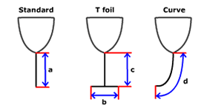
 |  | Even curve | Yes - No
 |  | Full foiling | Yes - No
Boards Measurements
-Standard daggerboard where VLB = board depth below hulls (a)
-T Foil daggerboard where VLB = addition of both lengths (b + c)
-Curved daggerboard where VLB = measured around external circumference (d)

Measurer's stamp and signature
TO BE SIGNED BY A RECOGNISED MEASURER

Measurer's name

Appointed by

Date of measurement

This document must be sent to the SCHRS Technical Committee => admin@schrs.com

Measurement form
 | Measurement form : Sails - Mast and Boom

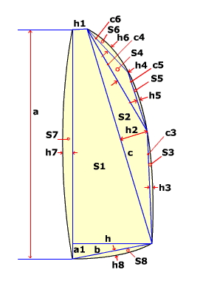
 | Mainsail N° : |  | Colour :
 | Sailmaker : |  | Batten number :
 | Serial n° : |  | Material :
 |  | a | S1 : ((h+h1)(a-a1)+(a1xh))/2 | 0.000
 |  | h7 | S2 : (cxh2)/2 | 0.000
 |  | c | S3 : 2/3 c3xh3 | 0.000
 |  | h2 | S4 : (c4xh4)/2 | 0.000
 |  | c4 | S5 : 2/3 c5xh5 | 0.000
 |  | h4 | S6 : 2/3 c6xh6 | 0.000
 |  | c6 | S7 : 2/3 axh7 | 0.000
 |  | h6 | S8 : 2/3 bxh8 | 0.000
 |  | c5 | Mainsail area : | 0.000
 |  | h5 | Mast :
 |  | c3 | Length :
 |  | h3 | Perimeter :
 |  | h | Mast area* : | 0.000
 |  | b | Boom :
 |  | h8 | Height : | 0.000
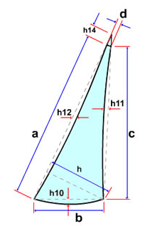
 |  | a1 | Width : | 0.000
 |  | h1 | Length : | 0.000
 |  |  | Boom area** : | 0.000

 |  |  | Total area : | 0.000
intermediate calculation if other conditions apply
*only applies to rotating masts
**does not apply to boomless sails or if height is greater than 1.5 of breath

 | Jib measurement |  | Colour :
 | Sailmaker : |  | Batten number :
 | Serial N° : |  | Material :
 |  | d | VLJ=(a+h14)*0,95 | 0.000
 |  | a | S9=(a+h14)*h/2 | 0.000
 | Sign + or - | h12 | S10=2/3b*h10 | 0.000
 |  | c | S11=2/3c*h11 | 0.000
 |  | h | S12=2/3a*h12 | 0.000
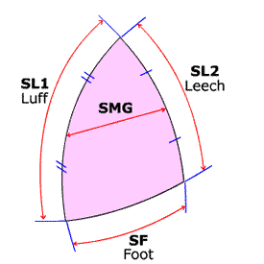
 |  | b | S13=h14*d/2 | 0.000
 | Sign + or - | h10
 | Sign + or - | h11 | Jib area | 0.000
 |  | h14

 | Spinnaker/Screecher measurement
 | Sailmaker : |  | Colour :
 | Serial n° : |  | Material :
 |  | SL1 | MGR =(SMG/SF)*100 | 0.00
 |  | SL2 | CSPI | 0.000
 |  | SMG | When MGR<75 the formula CSPI x (1 + (0.75 - SMG/SF)/2) ^2)) is applied in the final calculation.Rule D9.
 |  | SF

Measurer's stamp and signature
RESERVED TO THE MEASURER
Measurer's name
Appointed by
Date of measurement

This document must be sent to the SCHRS Technical Committee => admin@schrs.com

Deck sweeper mainsail
 | Measurement form : Sails - Mast and Boom

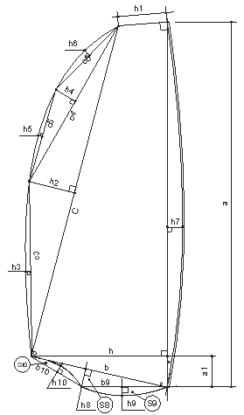
Use only for deck sweeper mainsail |  | Mainsail N° :
 |  | Sailmaker :
 |  | Serial n° :
 |  | Colour :
 |  | Batten number :
 |  | Material :
 |  | a | S1 : ((h+h1)(a-a1)+(a1xh))/2 | 0.000
 |  | h7 | S2 : (cxh2)/2 | 0.000
 |  | c | S3 : 2/3 c3xh3 | 0.000
 |  | h2 | S4 : (c4xh4)/2 | 0.000
 |  | c4 | S5 : 2/3 c5xh5 | 0.000
 |  | h4 | S6 : 2/3 c6xh6 | 0.000
 |  | c6 | S7 : 2/3 axh7 | 0.000
 |  | h6 | S8 : (bxh8)/2 | 0.000
 |  | c5 | S9 : 2/3 (b9xh9) | 0.000
 |  | h5 | S10: 2/3 (b10xh10) | 0.000
 |  | c3 | Mainsail area : | 0.000
 |  | h3 | Mast :
 |  | h | Length : | 0.000
 |  | b | Perimeter : | 0.000
 |  | h8 | Mast area* : | 0.000
 |  | a1 | Boom :
 |  | h1 | Height : | 0.000
 |  | b9 | Width : | 0.000
 |  | h9 | Length : | 0.000
 |  | b10 | Boom area** : | 0.000
 |  | h10
 |  |  | Total area : | 0.000

intermediate calculation if other conditions apply
*only applies to rotating masts
**does not apply to boomless sails or if height is greater than 1.5 of breath

The values h9 and h10 can be negative or positive

Other examples of deck sweeper sail shapes

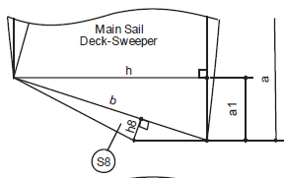
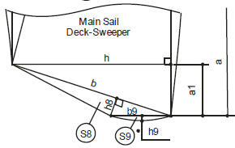
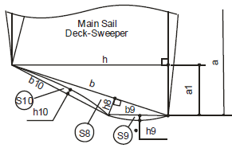

Draw designer Pierre Charles Barraud - Authorised use

Measurer's stamp and signature
RESERVED TO THE MEASURER
Measurer's name
Appointed by
Date of measurement

This document must be sent to the SCHRS Technical Committee => admin@schrs.com

